Bug report - BR-01
Bug ID | Bug Name | Description | Steps to reproduce | Test data | Expected result | Actual result | Repro rate | Attachments | Priority | Severity

 | Situation: We are uploading file into the site, and after that we need to download file

BR-01 | When we upload file into the site, after click on Download button we donwload different file | The Bug apperas when we upload one File into the website, but when we click on Download we get another one. Also Download button should be under Choose File button. | 1.Open Chrome Browser
 |  |  | 2. Go to page using URL: https://demoqa.com/
 |  |  | 3. Click on the panel "Elements"
 |  |  | 4. Click on "Upload and Download
 |  |  | 5. Click on "Choose File" button and upload file | Picture from PC named: "ITbootcampsparta.png"
 |  |  | 6. Click on "Download" file |  | We are expeting to download same picture which we Uploaded | We downloaded different picture with name "sampleFile", and picture is not same as which we Uploaded | 100% |  | High | High

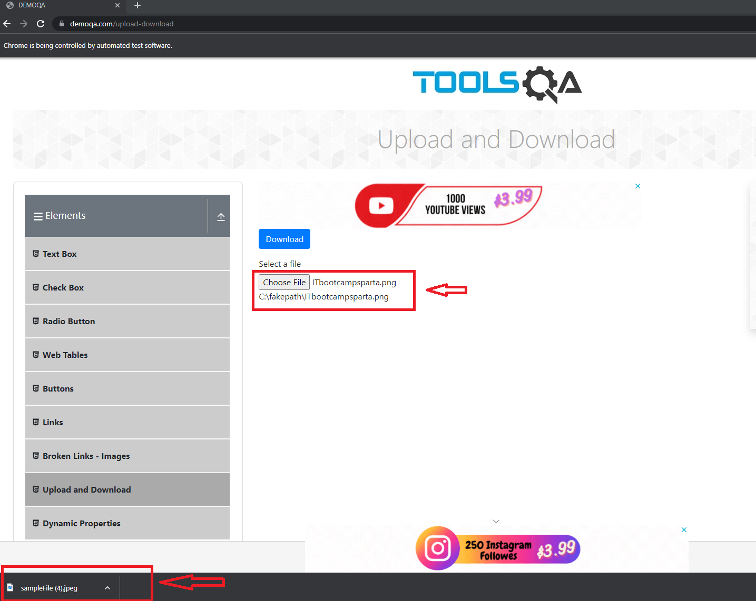
 |  |  |  |  |  | Just in case, this image below is placed here, if the quality of the image from the "Attachments" field is not satisfactory. The image in the attachment field is added in the following way: Inser > Image > Insert an image in the cell

Bug report
Bug ID | Bug Name | Description | Steps to reproduce | Test data | Expected result | Actual result | Repro rate | Attachments | Priority | Severity

 | Situation: Book Store Application not full visible when other other cards open

 | When we open one of previous panels, Book Store Application is not visible | The Bug appears when one of other panels Elements, Forms, Alerts Frame & Windows, Widgets or Interactions on site page is clicked. When we scroll down at same page, at the left part of the page Book Store Application panel isn`t fully visible. | 1.Open Chrome Browser
 |  |  | 2. Go to page using URL: https://demoqa.com/
 |  |  | 3. Click on the panel "Elements" | Opened panel "Elements"
 |  |  | 4. Scroll down to the left bottom part of the page |  | We can see "Book Store Application" panel on the left bottom part of the page | We cannot see the "Book Store Application" panel, it is half covered by footer. | 100% |  | Low | Low

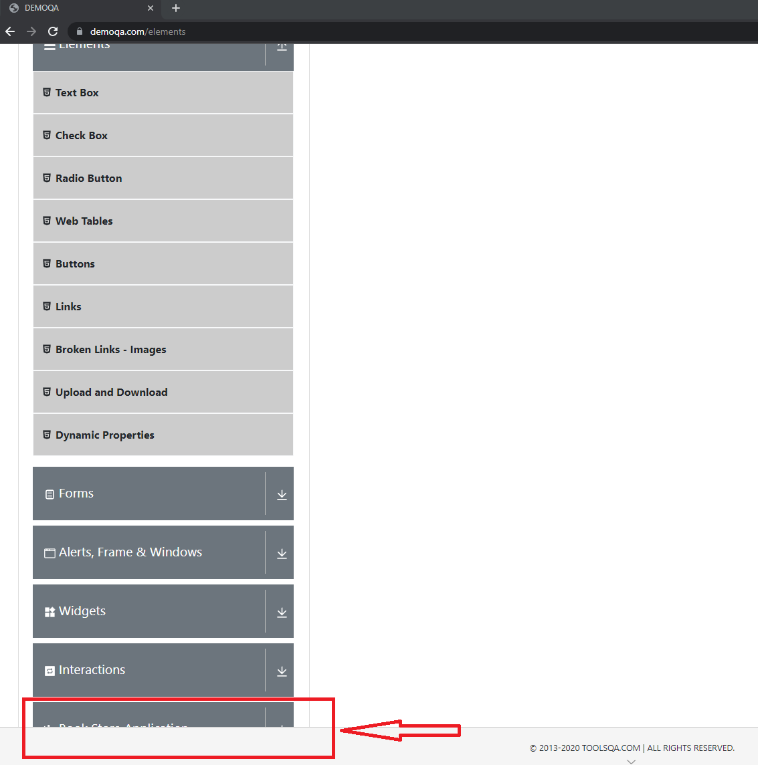
 |  |  |  |  |  | Just in case, this image below is placed here, if the quality of the image from the "Attachments" field is not satisfactory. The image in the attachment field is added in the following way: Inser > Image > Insert an image in the cell

Bug report1
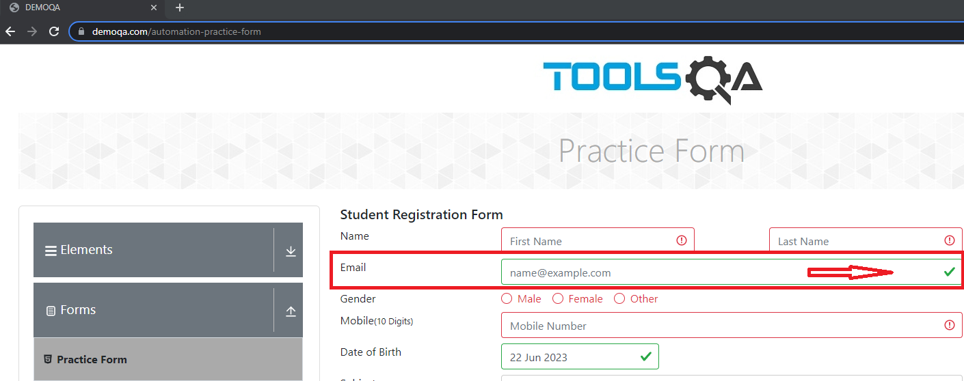
Bug ID | Bug Name | Description | Steps to reproduce | Test data | Expected result | Actual result | Repro rate | Attachments | Priority | Severity

 | Situation: We clicked Submit button and empty Email field marked green

 | When we leave Email field blank and click submit, in Email field we can see green sign(which shows that is everything ok) | The Bug appears when we leave blank Email field and click Submit button. | 1.Open Chrome Browser
 |  |  | 2. Go to page using URL: https://demoqa.com/
 |  |  | 3. Click on the panel "Forms"
 |  |  | 4. Click on "Practice Form"
 |  |  | 5. Leave "Email" field blank and click Submit button | Leave Email field blank(without any data) | We expect to see red "exclamation mark" | We can see green sign(which explain that everything is ok) | 100% |  | High | High

 |  |  |  |  |  | Just in case, this image below is placed here, if the quality of the image from the "Attachments" field is not satisfactory. The image in the attachment field is added in the following way: Inser > Image > Insert an image in the cell

Bug report2
Bug ID | Bug Name | Description | Steps to reproduce | Test data | Expected result | Actual result | Repro rate | Attachments | Priority | Severity

 | Situation: We clicked Submit button and "Birth of Date" marked green

 | We can put present or future dates and Date of Birth will show green sign(which shows that is everything ok) | The Bug appears when we put present or future Date of Birth, and click Submit button | 1.Open Chrome Browser
 |  |  | 2. Go to page using URL: https://demoqa.com/
 |  |  | 3. Click on the panel "Forms"
 |  |  | 4. Click on "Practice Form"
 |  |  | 5. Choose present od future date | Today`s or future date | We expect to see red "exclamation mark" | We can see green sign(which explain that everything is ok) | 100% |  | High | High

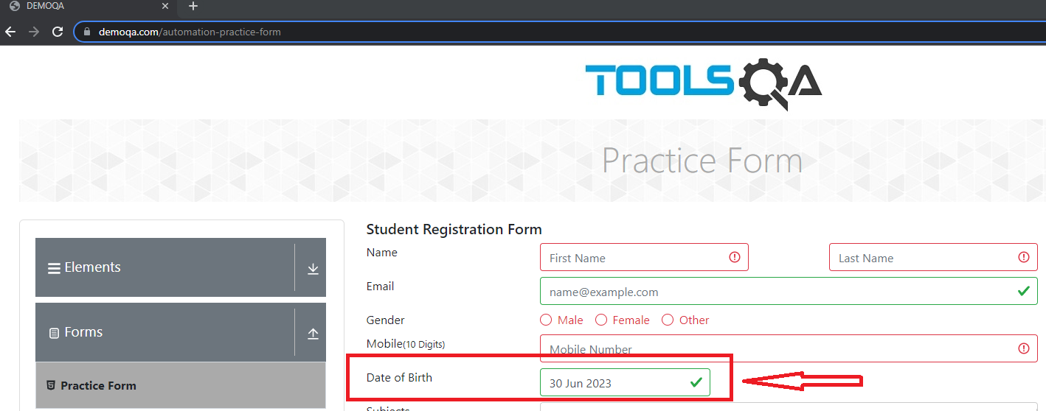
 |  |  |  |  |  | Just in case, this image below is placed here, if the quality of the image from the "Attachments" field is not satisfactory. The image in the attachment field is added in the following way: Inser > Image > Insert an image in the cell

Bug report3
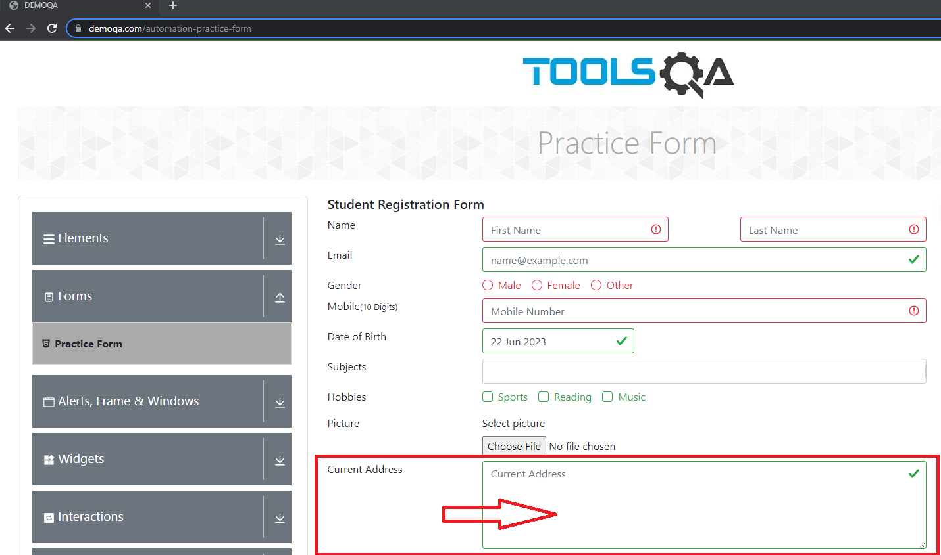
Bug ID | Bug Name | Description | Steps to reproduce | Test data | Expected result | Actual result | Repro rate | Attachments | Priority | Severity

 | Situation: We clicked Submit button and empty field for "Currecnt Address" marked green

 | When we leave Current Address field blank and click submit, and in Current Address field we can see green sign(which shows that is everything ok) | The Bug appears when we leave blank Current Address and click Submit button. | 1.Open Chrome Browser
 |  |  | 2. Go to page using URL: https://demoqa.com/
 |  |  | 3. Click on the panel "Forms"
 |  |  | 4. Click on "Practice Form"
 |  |  | 5. Leave "Current Address" field blank and click Submit button | Leave Current Address field blank(without any data) | We expect to see red "exclamation mark" | We can see green sign(which explain that everything is ok) | 100% |  | High | High

 |  |  |  |  |  | Just in case, this image below is placed here, if the quality of the image from the "Attachments" field is not satisfactory. The image in the attachment field is added in the following way: Inser > Image > Insert an image in the cell

